1 - quantity_age
First Registrations of used Passenger Cars in Poland, 2024 - 2025 PZPM based on data from Centralna Ewidencja Pojazdow

 | Jan | Feb | Mar | Apr | May | Jun | Jul | Aug | Sep | Oct | Nov | Dec | Total
2024 | 66,186 | 72,408 | 77,918 | 79,087 | 72,082 | 71,814 | 79,987 | 72,310 | 74,241 | 84,992 | 66,966 | 64,519 | 882,510
2025 | 69,287 | 69,649 | 77,652 | 79,122 | 72,653 | 69,240 |  |  |  |  |  |  | 437,603
%change y/y | 4.7% | -3.8% | -0.3% | 0.0% | 0.8% | -3.6% |  |  |  |  |  |  | -0.4%
First Registrations of Used PC in Poland 2024 - 2025
 | 2024 | 2025
Jan | 66186 | 69287
Feb | 72408 | 69649
Mar | 77918 | 77652
Apr | 79087 | 79122
May | 72082 | 72653
Jun | 71814 | 69240
Jul | 79987
Aug | 72310
Sep | 74241
Oct | 84992
Nov | 66966
Dec | 64519
 |  |  |  |  |  |  |  |  | Age Structure Jan-Jun 2025
 |  |  |  |  |  |  |  |  |  | Number of vehicles | Share %
 |  |  |  |  |  |  |  |  | <=4 years | 43,178 | 9.9%
 |  |  |  |  |  |  |  |  | >4 years & <=10 years | 152,745 | 34.9%
 |  |  |  |  |  |  |  |  | >10 years | 241,680 | 55.2%
 |  |  |  |  |  |  |  |  | Total | 437,603 | 100.0%
First Registrations of Used Vehicles in year 2025 - age structure

source: PZPM based on CEP

2 - EURO_fuel
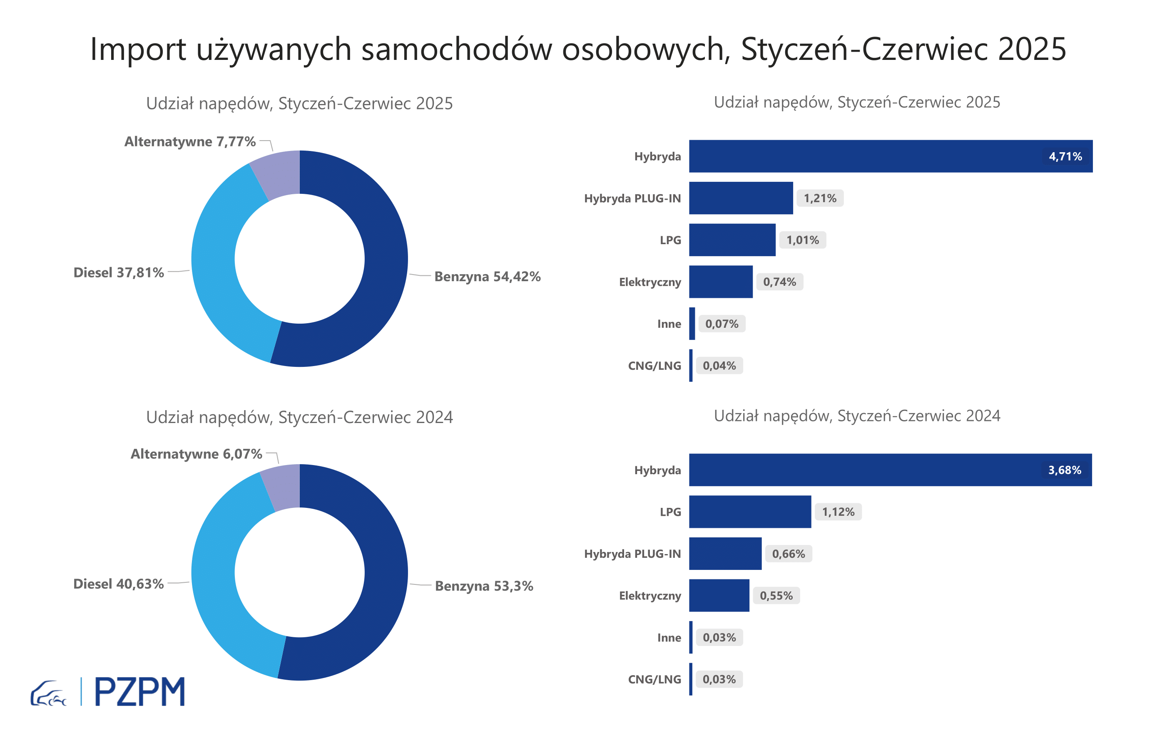

First Registrations of Used Passenger Cars by Fuel Type
Fuel Type | January-June 2024 |  | January-June 2025 |  | Volume Change y/y | Market Share Change y/y
 | thousand units | share % | thousand units | share %
Petrol | 234,3 | 53.3% | 238,1 | 54.4% | 1.7% | +1,1 pp
Diesel | 178,6 | 40.6% | 165,4 | 37.8% | -7.4% | -2,8 pp
AFV / Others | 26,7 | 6.1% | 34,0 | 7.8% | 27.6% | +1,7 pp
including:
Electric | 2.418 | 0.6% | 3.245 | 0.7% | 34.2% | +0,2 pp
Hybrid | 16.172 | 3.7% | 20.597 | 4.7% | 27.4% | +1,0 pp
Hybrid Plug-In | 2.911 | 0.7% | 5.302 | 1.2% | 82.1% | +0,5 pp
LPG | 4.901 | 1.1% | 4.413 | 1.0% | -10.0% | -0,1 pp
CNG/LNG | 0.124 | 0.0% | 0.168 | 0.0% | 35.5% | +0,0 pp
Others / N.A. | 0.132 | 0.0% | 0.297 | 0.1% | 125.0% | +0,0 pp

3 - TOP_brands
First registrations - used passenger cars imported to Poland - TOP 10 in 2025
First registrations of used passenger cars in Poland*
No.** | Make | January-June 2024 | January-June 2025 | Change % r/r
1 | VOLKSWAGEN | 43443 | 41571 | -4.3%
2 | FORD | 41774 | 40744 | -2.5%
3 | OPEL | 39924 | 38453 | -3.7%
4 | AUDI | 36276 | 32758 | -9.7%
5 | BMW | 28123 | 27370 | -2.7%
6 | MERCEDES-BENZ | 20856 | 22218 | 6.5%
7 | PEUGEOT | 20397 | 21487 | 5.3%
8 | HYUNDAI | 18639 | 20558 | 10.3%
9 | RENAULT | 20768 | 19068 | -8.2%
10 | TOYOTA | 16913 | 16667 | -1.5%
* source: PZPM based on CEP
** based on registrations in 2025

